Churn Rate by Number of Product
Churn Rate by Number of Products

Churned Customers by Country
Churned Customers by Country

Customer Churn by Activity Stat
Customer Churn by Activity Status

Customer Churn by Age Group
Customer Churn by Age Group

Customer Churn Rate
Customer Churn Rate

KPI

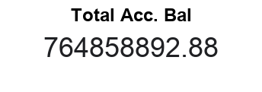
COUNTUNIQUE of customer_id
10000

COUNTUNIQUE of customer_id
2037

Dashboard
BANK CUSTOMER CHURN DASHBOARD

Customer Churn Rate
Churn Rate by Number of Products
Churned Customers by Country

Customer Churn by Age Group
Customer Churn by Activity Status

